Sheet1
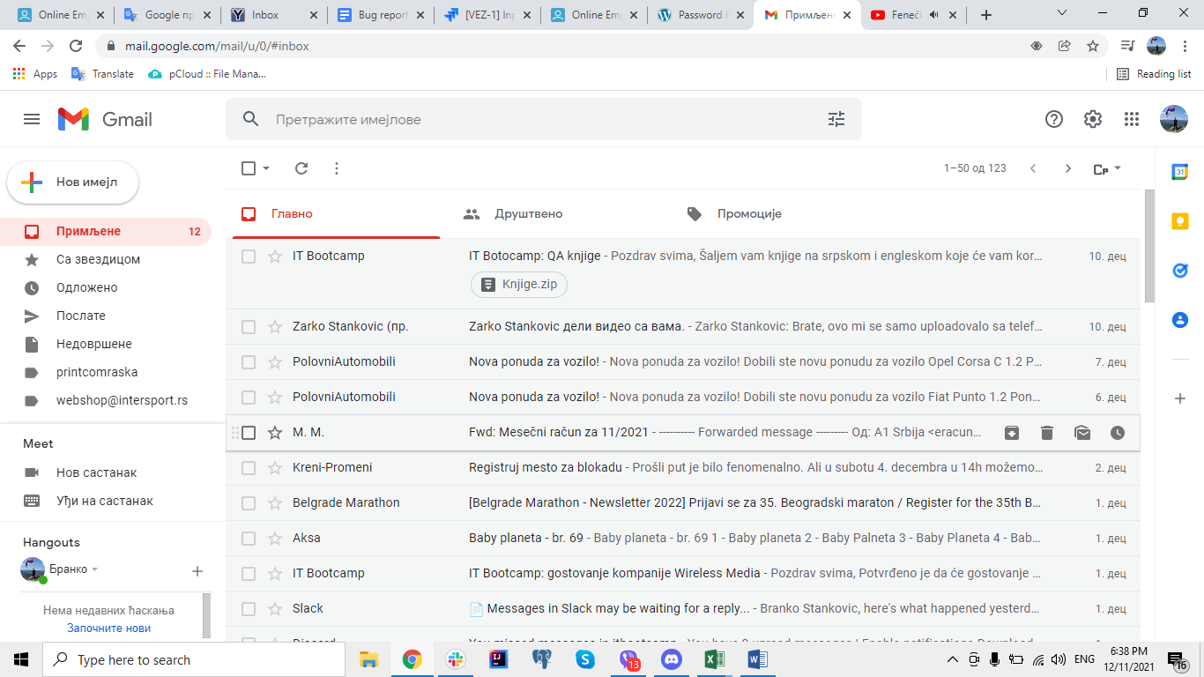 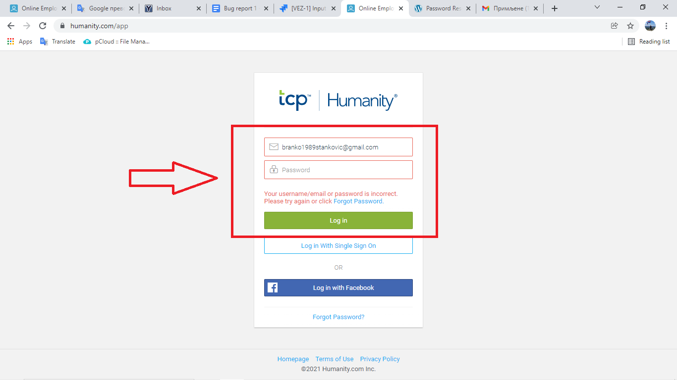 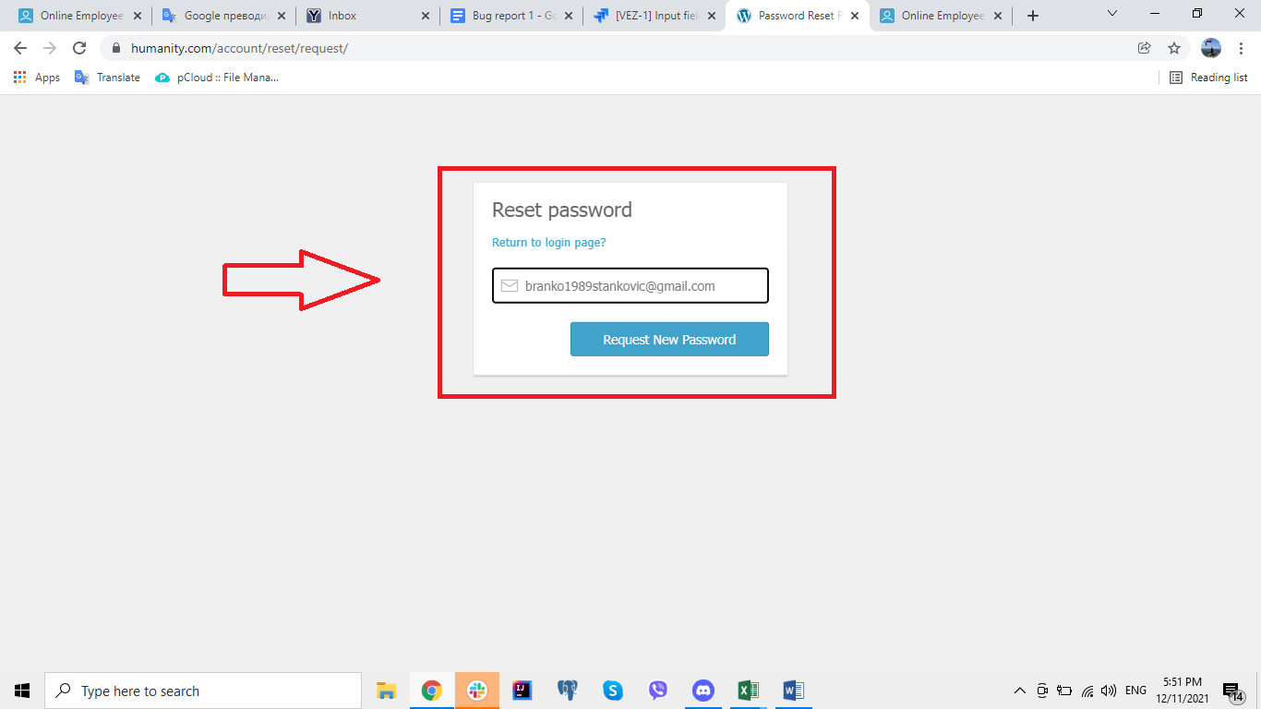 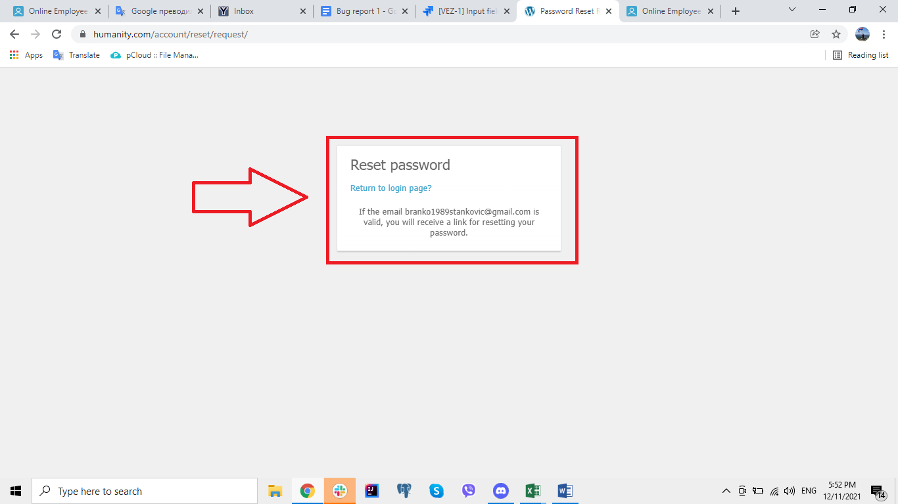
Summary

When a user leaves the scheduling page for some reason, they remain registered and cannot log in again.

Description

When the user registers at https://www.humanity.com/, the next step is to start scheduling at https://www.humanity.com/vizard-setup2/. If the user leaves this page for any reason and wants to register again with the same credentials, notification below the "Work Email" field appears "You already have an account! Log in here " When a user clicks on the login link, the user is redirected to the login page. The password is required on the login page, and when the user clicks on the "Forgotten password" link and enters the e-mail address to which he entered the e-mail address where he registered and clicks on the "Request new password" button, the message If e-mail ******@*******.com valid, you will receive a link to reset your password. After that, no messages with that link will reach that email.

Steps to reproduce

1. Open Google Chrome browser 2. Go to URL: https://www.humanity.com/ 3. Input "Branko Stankovic" in "Full Name" field 4. Input "branko1989stankovic@gmail.com" in "Work Email" field 5. Check checkbox button "I'am not a robot" 6. Click on "START MY FREE TRIAL" button 7. Click X button at top right corner of the window to close Google Chrome window 8. Open Google Chrome browser 9. Go to URL: https://www.humanity.com/ 10. Input "Branko Stankovic" in "Full Name" field 11. Input "branko1989stankovic@gmail.com" in "Work Email" field 12. Check checkbox button "I'am not a robot" 13. Click on "START MY FREE TRIAL" button 14. Click on "Log in here" link below the Work Email entry field 15. Input correct email in "Email/username" field 16. Click on "Log in" button 17. On Login page click "Forgot Password?" link 18. Input correct email address 19. Click on button "Request New Password"
8
Expected Result

User will receive a link for resetting password and clicking on the link will log in to the registered account.

Actual result

User has not received a link for password retrievals and cannot log in to the registered account.

Priority: 100%
Severity: 100%
Repro rate: 100%

Screenshot

